Overview
,,
 | Partner Dashboard
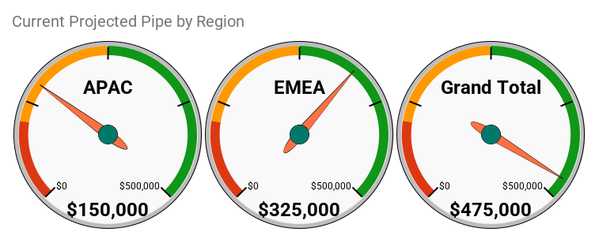
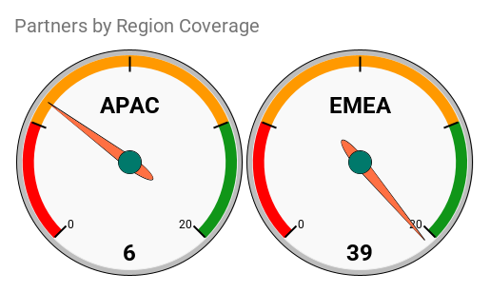

Our Progress
 |  |  |  |  | 85
By Partner Type
Partner Type | 0
Connector | 1
Martech | 80
Technology | 3

Partners by Stage, by Partner Manager
 | 30
Laura | 2
Mark | 15
Mark | 2

Actual & Projected Pipe by Partner
 | Projected | Actual Pipe
Appius | 75000
Deloitte | 50000
DMPG | 75000
Media Monks | 50000
pmOne | 75000
SAI Digital | 75000

PQOs - Projected
Partner | 0 | 0
Appius | 86000 | 3
Deloitte | 50000 | 1
DMPG | 37000 | 3
Media Monks | 23000 | 1
pmOne | 36000 | 3
SAI Digital | 230000 | 3
The Lumery | 199000 | 3
Grand Total | 661000 | 17
PQO's by Partner
Partner | 0 | 0
Appius | 3 | 86000
Deloitte | 1 | 50000
DMPG | 3 | 37000
Media Monks | 1 | 23000
pmOne | 3 | 36000
SAI Digital | 3 | 230000
The Lumery | 3 | 199000
Grand Total | 17 | 661000

Cost per Partner by Team to Recruitment, OnBoarding and make a Partner Active
 | Cost per Partner by Team | Cost per Partner by Team | Cost per Partner by Team
Partner Manager | $5,976 | $17,928 | $35,857
Sales | $797 | $5,976 | $11,952
Solutions Consulting | $797 | $3,984 | $11,952
Product Management | $- | $398 | $1,992
Marketing | $398 | $1,992 | $11,952
Support | $398 | $1,992 | $9,960
Services | $398 | $1,992 | $9,960
Customer Success | $398 | $- | $398
Legal | $- | $398 | $1,992
Dev | $- | $- | $-

Parters by Region
Territory | COUNTA of Partner
APAC | 7
EMEA | 65
Global | 3
NA | 9
In Progress and Active SPs by Region
Territory | 0
APAC | 7
EMEA | 65
Global | 3
NA | 9

Org Impact
This sheet allows you to adjust the number of DAYS a resource from a given team is dedicated to one partner, and their average FTE equivalent cost. These are the yellow-highlighted cells; all other cells are locked. These adjustments are NOT reflected in the 30, 120, 365 charts.
Partner Lifecycle - Org Impact

Costs Per Stage per Partner
Parameters
 | 5 | Working days per week
 | 20 | Working days per month
 | 8 | Hours per day
 | $49.80 | Average FTE cost (hourly)
 | 251 | Working days per year (average) |  | 114 | non-working days
 | 50 | Working weeks per year (average) |  | 57 | weekends and holidays
 | 2008 | Working hours per year (average) |  | 5 | total holidays
 | $100,000.00 | Average FTE cost (annual)

Base Assumptions
 |  | Days per Partner by Team (Adjustable) |  |  | Weeks per Partner by Team
 | Team | Recruitment | On Boarding | Active | Recruitment | On Boarding | Active
 | Partner Manager | 15 | 45 | 90 | 3 | 9 | 18
 | Sales | 2 | 15 | 30 | 0.4 | 3 | 6
 | Solution Consulting | 2 | 10 | 30 | 0.4 | 2 | 6
 | Product Management | 0 | 1 | 5 | 0 | 0.2 | 1
 | Marketing | 1 | 5 | 30 | 0.2 | 1 | 6
 | CS | 1 | 5 | 25 | 0.2 | 1 | 5
 | PS | 1 | 5 | 25 | 0.2 | 1 | 5
 | Legal | 1 | 0 | 1 | 0.2 | 0 | 0.2
 | Dev | 0 | 1 | 5 | 0 | 0.2 | 1
 | Other | 0 | 0 | 0 | 0 | 0 | 0
 | Total | 23 | 87 | 241 | 5 | 17 | 48

Estimated Averages
 |  | Hours per Partner by Team |  |  | Cost per Partner by Team
 | Team | Recruitment | On Boarding | Active | Recruitment | On Boarding | Active
 | Partner Manager | 120 | 360 | 720 | $5,976 | $17,928 | $35,857
 | Sales | 16 | 120 | 240 | $797 | $5,976 | $11,952
 | Solutions Consulting | 16 | 80 | 240 | $797 | $3,984 | $11,952
 | Product Management | 0 | 8 | 40 | $- | $398 | $1,992
 | Marketing | 8 | 40 | 240 | $398 | $1,992 | $11,952
 | Support | 8 | 40 | 200 | $398 | $1,992 | $9,960
 | Services | 8 | 40 | 200 | $398 | $1,992 | $9,960
 | Customer Success | 8 | 0 | 8 | $398 | $- | $398
 | Legal | 0 | 8 | 40 | $- | $398 | $1,992
 | Dev | 0 | 0 | 0 | $- | $- | $-
 | Total | 184 | 696 | 1928 | $9,163 | $34,661 | $96,016
 |  |  |  |  |  | $43,825 | $139,841
Summary
 | Stage | # In Stage | Total Hours | Total Days | Total Years
 | Recruitment | 40 | 7,360 | 920 | 4
 | On Boarding | 8 | 5,568 | 696 | 3
 | Active | 1 | 1,928 | 241 | 1

 | Total | 49 | 14,856 | 1,857 | 7

